Parameters and Overview
PATTERNLAB T-FOLD ANALYSIS REPORT
Please cite: | Carvalho PC, Yates JR 3rd, Barbosa VC. Improving the TFold test for differential shotgun proteomics. Bioinformatics. 2012;28(12):1652-1654.
Analysis Date: | 2026-04-17 16:35:56
ANALYSIS PARAMETERS |  |  | ANALYSIS RESULTS
Parameter | Value | Description | Category | Count | Percentage
F-stringency (z) | 0.01 | Controls the variable fold-change threshold based on statistical significance | Blue Dots | 546 | 28.42%
q-value | 0.05 | Benjamini-Hochberg FDR correction threshold | Orange Dots | 0 | 0.00%
L-stringency | 0 | Filter for lowly abundant proteins (0.4 recommended for spectral counting) | Green Dots | 613 | 31.91%
Normalization | Total Signal | Method used to normalize protein abundances | Red Dots | 762 | 39.67%
Min Replicates | 6 | Minimum number of replicates required | Total | 1921 | 100.00%
Total Proteins | 1921 | Total number of proteins analyzed
Top Class | Triple-STD-Condicion-A |  | DOT COLOR SIGNIFICANCE
Bottom Class | Triple-STD-Condicion-B |  | Blue Dots
 |  |  | • Passed both the q-value threshold and variable fold change criteria • Statistically significant differential expression • Most reliable category for biological interpretation • Satisfy the Benjamini-Hochberg (BH) critical value cutoff
FOLD CHANGE INTERPRETATION |  |  | Green Dots
• Positive fold change: | Protein is more abundant in "Triple-STD-Condicion-A" (Top Class) |  | • Passed fold change criteria but failed q-value/statistical significance • Fold changes may be large but not statistically supported • Changes likely due to chance or high variability • Not recommended for biological interpretation without further validation
• Negative fold change: | Protein is more abundant in "Triple-STD-Condicion-B" (Bottom Class) |  | Red Dots
• Interpretation: | The magnitude represents the degree of differential expression, while the sign indicates the direction. |  | • Failed both fold change and q-value criteria • No evidence for differential expression • Not considered biologically relevant between conditions • Represent proteins with similar abundance across conditions

VOLCANO PLOT PREVIEW
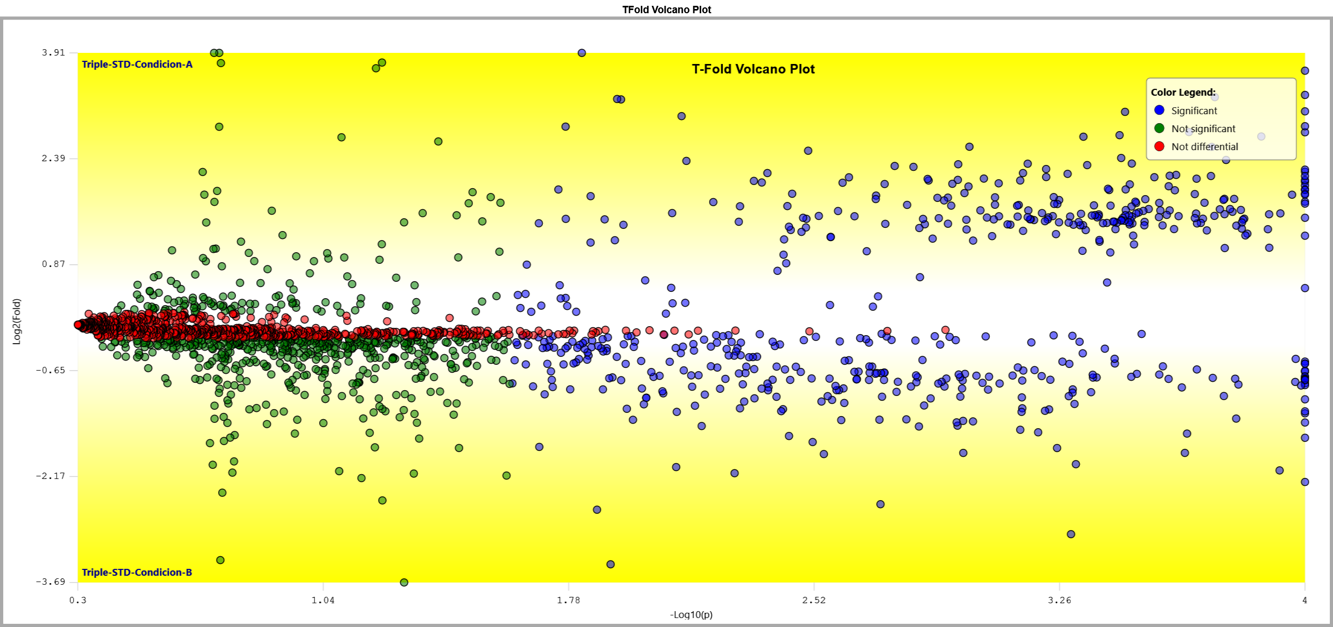

T-FOLD METHOD EXPLANATION
F-stringency (z):
The F-stringency parameter (z) controls the variable fold-change cutoff that changes with the t-test p-value as a power law. Unlike traditional approaches with a fixed fold-change cutoff, TFold allows the fold-change threshold to vary with statistical significance. For proteins with very low p-values, a smaller fold change is acceptable, while proteins with higher p-values require larger fold changes to be considered significant. Mathematically, a protein with p-value p is rejected if its fold change lies between (pmin/p)^z and (p/pmin)^z, where pmin is the lowest p-value in the dataset. The optimal z value is automatically determined to maximize the number of significant proteins that satisfy the q-value threshold.

q-value:
The q-value represents the False Discovery Rate (FDR) threshold using the Benjamini-Hochberg FDR estimator. It controls the expected proportion of false positives among all proteins declared as differentially expressed. The TFold method first filters proteins according to the variable fold-change cutoff, then applies the BH FDR estimator to the remaining candidates. This approach increases sensitivity by reducing the number of hypotheses tested prior to FDR correction.

L-stringency:
The L-stringency parameter helps identify lowly abundant proteins that might appear significant but require additional validation. These proteins often show artificially low p-values due to low variation in their quantitation values. The L-stringency filter assumes protein quantitation values follow an exponential distribution with parameter λ, where 1/λ is the average abundance. Proteins with mean abundance below L-stringency × (1/λ) in both conditions are highlighted as orange dots, indicating they may be false positives requiring further experimentation. For spectral counting data, an L-stringency of 0.4 is recommended.

Advantages of Variable Fold-Change:
Traditional approaches with fixed fold-change cutoffs may discard biologically important proteins with low p-values but moderate fold changes. In proteomics, the magnitude of a protein's fold change does not necessarily correlate with its biological importance. Molecular abundance is only one of various factors controlling protein activity. The TFold approach recognizes this by implementing a variable fold-change threshold that forms a characteristic cone-shaped pattern in the volcano plot. This method has shown significantly improved sensitivity compared to fixed fold-change cutoffs.

Volcano Plot

T-FOLD VOLCANO PLOT
 |  |  | Interactive version available in PatternLab software
X-Axis: | -Log10(p-value)
Y-Axis: | Log2(Fold Change)

ANALYSIS PARAMETERS
F-Stringency (z): | 0.01
q-value: | 0.05
L-Stringency: | 0
Total proteins: | 1921

COLOR LEGEND
Blue: | Significant (passed both q-value and variable fold change criteria) | 546 proteins
Green: | Passed fold change but not q-value criteria | 613 proteins
Red: | Not significant | 762 proteins

Note: | This volcano plot visualization shows the characteristic cone-shaped pattern created by the variable fold-change threshold. The interactive version in PatternLab allows hovering over dots to see detailed protein information.

